Pivot Table
Average Income Per Purchaes
 | No | Yes
Female |  | 120000
Male | 80000 | 105000
Average of Income | Column Labels
Row Labels | No | Yes | Grand Total
Female |  | 120000 | 120000
Male | 80000 | 105000 | 92500
Grand Total | 80000 | 115000 | 106250

Customer Commute
 | No | Yes
0-1 Miles | 2 | 4
1-2 Miles |  | 1
2-5 Miles |  | 1

 | Count of Purchased Bike | Column Labels
 | Row Labels | No | Yes | Grand Total
 | 0-1 Miles | 2 | 4 | 6
 | 1-2 Miles |  | 1 | 1
 | 2-5 Miles |  | 1 | 1
 | Grand Total | 2 | 6 | 8

Customer Age Brackets
Count of Purchased Bike | Column Labels
Row Labels | No | Yes | Grand Total
Middle Age 31-54 | 2 | 6 | 8
Grand Total | 2 | 6 | 8

Count of Purchased Bike | Column Labels
Row Labels | No | Yes | Grand Total
36 |  | 3 | 3
39 |  | 1 | 1
40 | 1 |  | 1
47 |  | 1 | 1
48 |  | 1 | 1
50 | 1 |  | 1
Grand Total | 2 | 6 | 8

Dashboard
Bike Sales Dashboard

Average Income Per Purchaes
 | No | Yes
Female |  | 120000
Male | 80000 | 105000
Customer Age Brackets
 | No | Yes
Middle Age 31-54 | 2 | 6

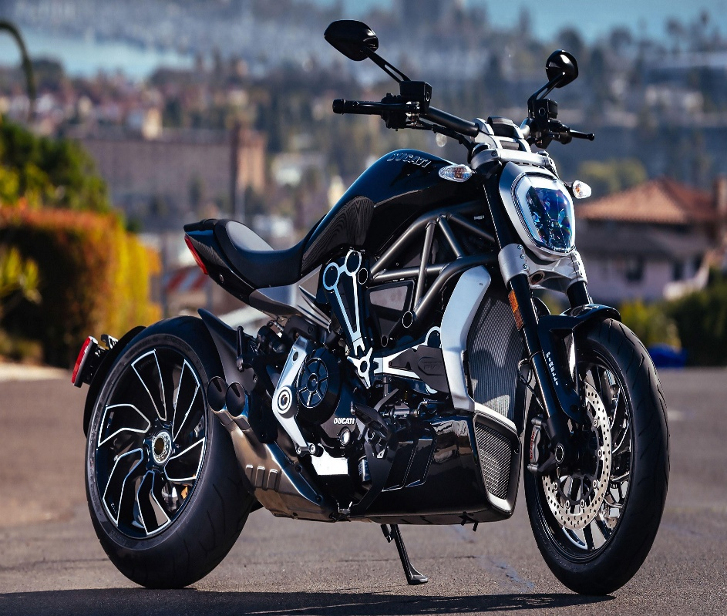

Customer Commute
 | No | Yes
0-1 Miles | 2 | 4
1-2 Miles |  | 1
2-5 Miles |  | 1

